TECHNICAL SHEET GARMENT
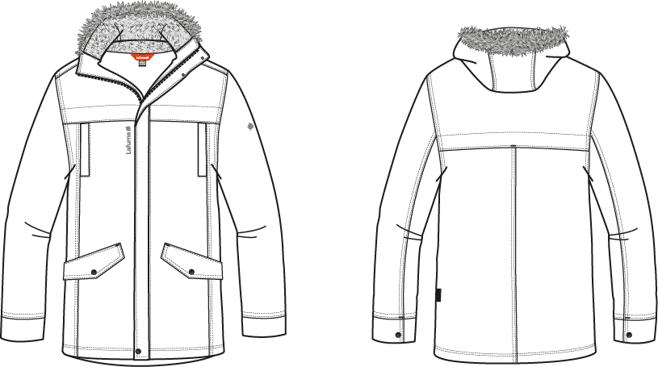
 |  |  | TECHNICAL SHEET GARMENT | WINTER 2018/19
LFV11441 |  | CONEY WARM PARKA |  | INDEX | V1
FABRIC / SUPPLIER: |  | 06302 / LIBOLON |  | DEVELOPPER |  | Marjorie
DATE | 2020-01-03 |  |  | SUPPLIER : |  | PRIMA CHANNEL

MEN JKT COUNTER SAMPLE
 |  | COUNTER SAMPLE |  |  |  |  |  | WINTER 2018/19
LFV11441 |  |  | CONEY WARM PARKA |  |  |  |  | INDEX | V1
FABRIC / SUPPLIER: |  | 06302 / LIBOLON |  |  |  |  |  | DEVELOPPER |  | Marjorie
DATE | 2020-01-03 |  |  |  |  |  |  | SUPPLIER : |  | PRIMA CHANNEL

MEASUREMENTS TAKEN ON FINISH PRODUCT |  |  |  |  |  | 銷售樣 |  | 大貨
OUTER PRODUCT MEASUREMENTS IN CM |  |  |  |  | ALLOWANCES | Measures to follow for making SMS | Highlight measured the 09/10/2017 | Measures to follow for BULK
FRONT JACKET MEASUREMENTS (IN CM) |  |  |  |  |  | M | M | M
B | FRONT BREADTH AT 15CM FROM HPS |  |  | 上胸寬(領肩點下15cm) | +/- 0,5 cm | 42 | 42 | 42
C | 1/2 CHEST ROUND |  |  | 1/2胸圍(腋點量) | +/- 1 cm | 59 | 59 | 59
D | 1/2 WAIST ROUND AT 44CM FROM HPS |  |  | 1/2腰圍(領肩點下44cm) | +/- 1 cm | 57 | 58 | 57 | 1
IA | 1/2 BOTTOM ROUND RELAXED |  |  | 1/2下襬(平量) | +/- 1 cm | 57 | 57 | 57
JA | TOTAL LENGHT FROM HPS |  |  | 前身長(領肩點量) | +/- 1 cm | 80 | 80 | 80
JC | FRONT YOKE HEIGHT |  |  | 前胸剪接高(領肩點) | +/- 0,5 cm | 23.5 | 23.5 | 23.5
KA | SHOULDER LENGHT |  |  | 單肩寬 | +/- 0.5 cm | 13 | 13 | 13
KD | ARMHOLE HEIGHT - FOLLOWING ARMHOLE ROUND |  |  | 袖襱直量 | +/- 0.5 cm | 25 | 25.5 | 25 | 0.5
LA | 1/2 UPPER ARM WIDTH |  |  | 1/2袖寬(腋點直量) | +/- 0,5 cm | 24.5 | 24 | 24.5 | -0.5
LB | 1/2 ELBOW WIDTH AT 30CM FROM BOTTOM |  |  | 1/2肘寬(袖口以上30cm量) | +/- 0,5 cm | 18.5 | 19 | 18.5 | 0.5
LC | 1/2 CUFF WIDTH RELAXED |  |  | 1/2袖口寬(平量) | +/- 0,5 cm | 14.5 | 14.5 | 14.5
N | TOTAL SLEEVE LENGHT |  |  | 袖長(肩點量) | +/- 1 cm | 67 | 67.5 | 67 | 0.5
BACK JACKET MEASUREMENTS (IN CM)
R | BACK BREADTH AT 15CM FROM HPS |  |  | 上背寬(領肩點下15cm) | +/- 0,5 cm | 45 | 44.5 | 45 | -0.5
S | CENTER BACK LENGTH |  |  | 後身長(後中領圍至下襬) | +/- 1 cm | 80 | 80.5 | 80 | 0.5
S1 | BACK YOKE HEIGHT |  |  | 後背剪接高(領肩點) | +/- 0,5 cm | 21 | 20.5 | 21 | -0.5
COLLAR MEASUREMENTS (IN CM)
UA1 | NECK WIDTH |  |  | 後領寬 | +/- 1 cm | 22 | 23 | 22 | 1
UA2 | FRONT NECK DEPTH |  |  | 前領深 | +/- 1 cm | 9.5 | 9 | 10 | -1
UB1 | NECKLINE LENGHT |  |  | 下領圍(不含拉鍊) | +/- 1 cm | 60 | 61 | 60 | 1
HOOD MEASUREMENTS (IN CM)
VA | HOOD LENGTH |  |  | 帽中長(不含假毛) | +/- 1 cm | 47 | 47 | 47
VB | HOOD WIDTH AT 18CM FROM BACK NECKLINE |  |  | 1/2帽寬(後中以上18cm) | +/- 0,5 cm | 26 | 26 | 26
VHA | HOOD HEIGHT ON FRONT |  |  | 帽高(開口處) | +/- 0,5 cm | 36 | 36 | 36
VHB | HOOD HEIGHT ON SHOULDER POINT |  |  | 帽高(領肩點量) | +/- 0,5 cm | 36 | 36 | 36
VE | CHIN HEIGHT |  |  | 帽前高 | +/- 0,5 cm | 10 | 10 | 9 | 1
OTHER MEASUREMENTS (IN CM)
Z1 | MIDDLE FRONT ZIPPER LENGHT |  |  | 門襟拉鍊長 | +/- 0,5 cm | 80 | 80 | 80
Z2 | BOTTOM POCKET LENGHT |  |  | 側袋開口長 | +/- 0,5 cm | 18 | 18 | 18
Z4 | HAND WARM POCKET LENGHT |  |  | 胸袋開口長 | +/- 0,5 cm | 17 | 17 | 17

Comments on 1st sample the 15/06/2017
Move 2,5cm down top yoke front and back + top pocket
Move 2,5cm down top pocket
Move 2,5cm down and 2cm toward side seam bottom pocket
Reduce top yoke flap at 3cm i/o 5cm on front and back
Move front flap until bottom edge
Reduce front breadth by 2,5cm
Reduce back breadth by 2cm
Reduce neck width by 1,5cm
Reduce front neck drop by 0,5cm
Reduce Hood lenght by 3cm (measures don't included fur)
Cancel male snap on top of cuff
Move male snap on bottom cuff 1,5cm
Bottom pocket lining should be taffetas
Please make 2nd sample

Comments on 2nd sample in Taipei the 25/07/2017
Move down embroideries Lafuma
Increase chest pocket bag height by 4cm
Reduce cuff height to have 6cm
Remove cuff adjustement snap, keep only female part, seam and stitching to make fake adjustement cuff

Comments on 2nd sample in annecy the 25/07/2017
Put some padding inside fur, to make it bulky, avoid to have flat fur with visible pleat

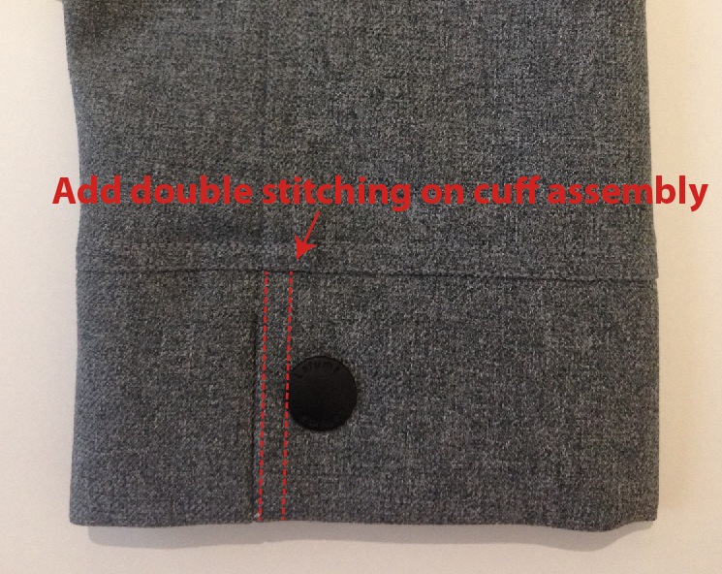
Please send swatch of bottom sleeve

Swatch OK following comments the 08/08/2017

Comments on SMS the 13/12/2017
Add double stitching on cuff assembly (already comments on swatch)
Avoid to have flat fur and visible pleat on fur, put thin padding band inside

Fake fur should be removable on front hood with 5 snap

HANG TAG
Hang tag corporate and climactive must be small # HT-394082-E & HT394146-E

MEASURES
Increase front neck drop by 1cm to have 10cm i/o 9cm on SMS
Reduce front collar height by 1cm to have 9cm i/o 10cm

COLORS
On style BLACK embroideries must be more tone pn tone, use #9000
On style HEATHER GREY, embroideries must be more tone on tone, use #40028 i/o #40031

Patch front and back yoke (refer to red line)
Move 2cm down top pocket and increase pocket bag by 3cm
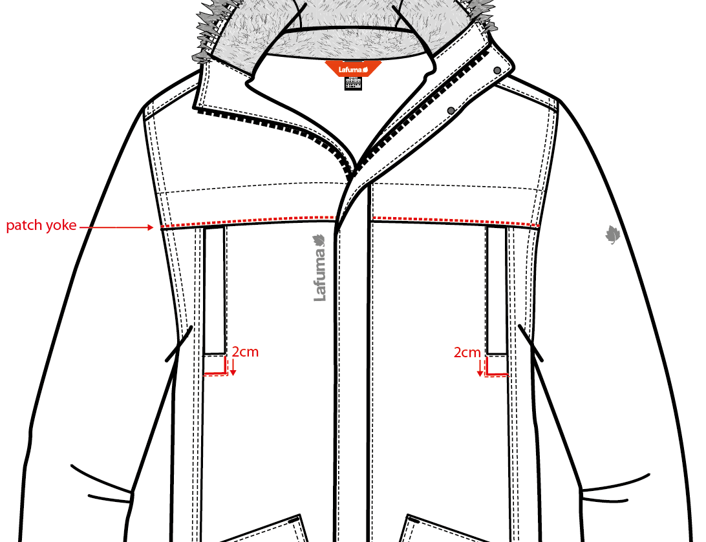
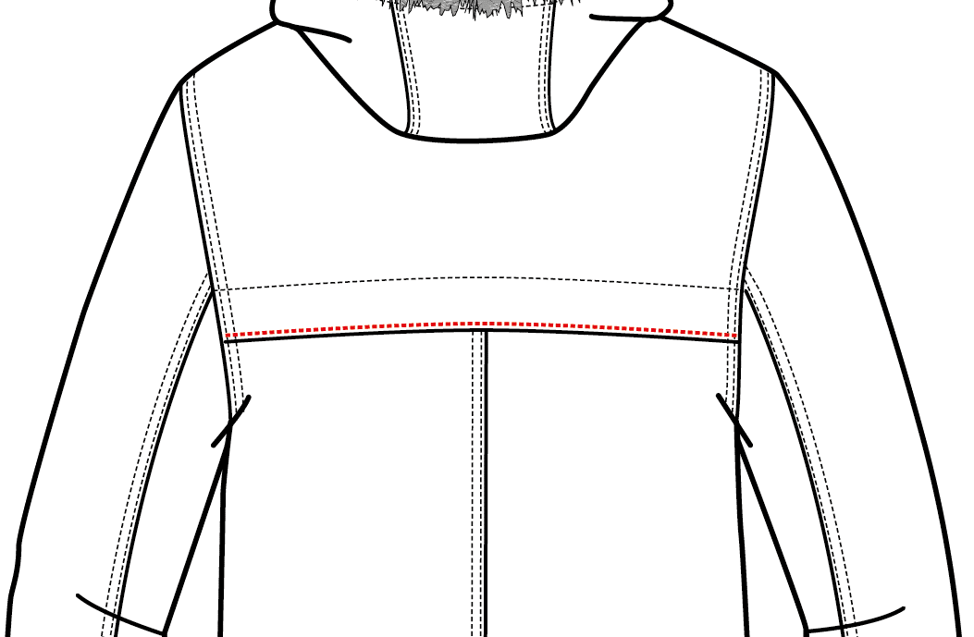

Please follow comment and send conformity sample to France

COMMENTS
Comments on 2nd sample in annecy the 25/07/2017
Put some padding inside fur, to make it bulky, avoid to have flat fur with visible pleat

Please send swatch of bottom sleeve

Swatch OK following comments the 08/08/2017

Comments on SMS the 13/12/2017
Add double stitching on cuff assembly (already comments on swatch)
袖口壓1/4"雙針
Avoid to have flat fur and visible pleat on fur, put thin padding band inside
假毛夾車於表布布條+PK棉 60G |  | 假毛布條釘5組15MM 彈簧壓釦下半套
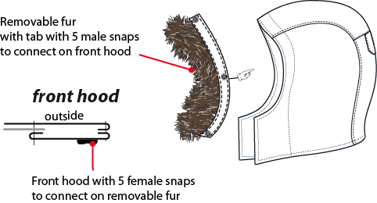
Fake fur should be removable on front hood with 5 snap
假毛改為可拆式，帽前加5組15MM彈簧釦

HANG TAG | 吊牌
Hang tag corporate and climactive must be small # HT-394082-E & HT394146-E
吊牌改為用#HT-394082-E (i/o #HT-394081-E)
吊牌改為用#HT-394146-E (i/o #HT-394133-E)

MEASURES | 尺寸
Increase front neck drop by 1cm to have 10cm i/o 9cm on SMS |  | 帽簷內貼表布，釘5組15MM 彈簧壓釦上半套，可與假毛布條扣合
前領深增加1CM，改為10CM
Reduce front collar height by 1cm to have 9cm i/o 10cm
帽前高減少1CM，改為9CM

COLORS | 配色
On style BLACK embroideries must be more tone pn tone, use #9000
色組#0247, 繡花線色改為#9000
On style HEATHER GREY, embroideries must be more tone on tone, use #40028 i/o #40031
色組#4809, 繡花線色改為#40028
Patch front and back yoke (refer to red line)
前胸&後背活片改剪接，車臨邊單針
Move 2cm down top pocket and increase pocket bag by 3cm
胸袋下移2CM，袋裡加深3CM

Please follow comment and send conformity sample to France

請依照以上修正後寄核可樣至法國

DETAILS
 |  | DETAILS JKT |  | WINTER 2018/19
LFV11441 |  |  | CONEY WARM PARKA | INDEX | V1
FABRIC / SUPPLIER: |  | 06302 / LIBOLON |  | DEVELOPPER |  | Marjorie
DATE | 2020-01-03 |  |  | SUPPLIER : |  | PRIMA CHANNEL
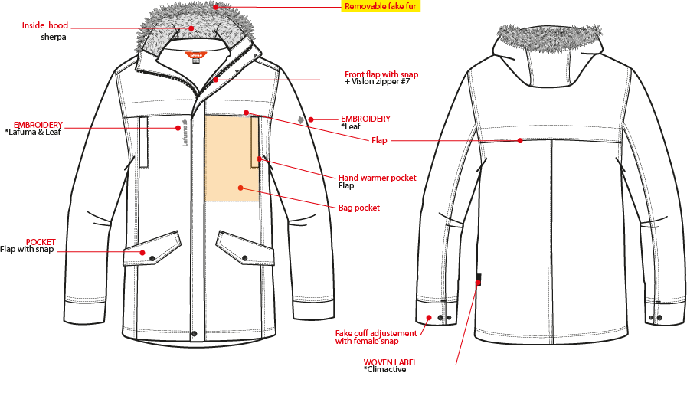
可拆式假毛
帽後中車黏扣帶毛面2cm*10cm,表布帽絆壓單針,車黏扣帶勾面2cm*6cm。
穿者左側表布外擋風片,寬5cm,壓臨邊單針,釘3組LAFUMA BS053-E彈簧壓釦(上x2,下x1),中間釘3組15mm彈簧釦(面釦隱藏)。門襟車#7塑鋼拉鍊+拉片,壓臨邊單針,拉鍊底端兩側打直結。

繡花2cm
繡花7.2cm

前胸&後背剪接高3cm,壓臨邊單針。

下胸袋表布袋唇,壓臨邊單針,袋裏表布袋貼+超細天鵝絨。袋裏固定於門襟。
表布側袋蓋,壓1/4"單針,袋蓋左右打橫結加強。袋蓋釘LAUMFA彈簧壓釦,袋裏:表布袋貼+210T。

袖口高6cm,內加棉60g,壓1/4"雙針(到袖口),一片式做法,釘一組LAFUMA彈簧壓釦上半套(裝飾用)。

※整件剪接壓1/4"雙針
下襬表布內貼高1",壓1/4"雙針。
織標LW050-E

DETAILS LINING
 |  | DETAILS LINING |  | WINTER 2018/19
LFV11441 |  |  | CONEY WARM PARKA | INDEX | V1
FABRIC / SUPPLIER: |  | 06302 / LIBOLON |  | DEVELOPPER |  | Marjorie
胸袋
DATE | 2020-01-03 |  |  | SUPPLIER : |  | PRIMA CHANNEL
表布
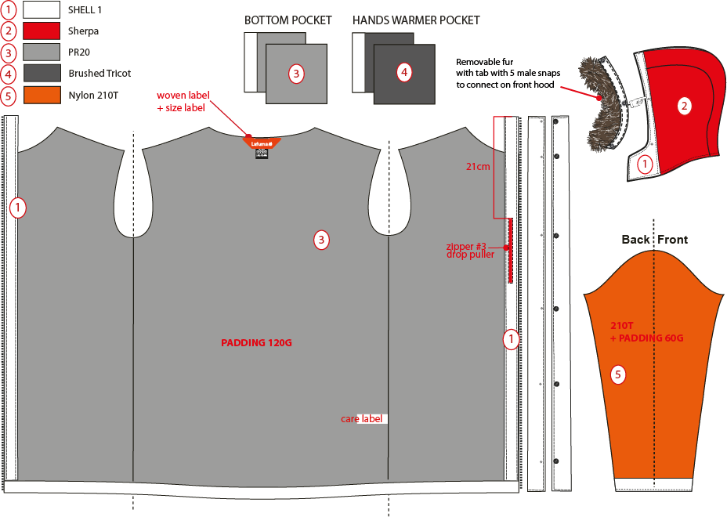
側袋
表布帽簷內貼+棉60g,帽裏為刷毛布。假毛夾車於表布布條+60G棉
刷毛布
手心面
手心面
8093LDF3
手背面
超細天鵝絨
210T
手背面

主標夾車於內領圍,尺寸標對折夾車於主標下方.

表布門襟內貼寬4cm,穿者左側有一內胸袋,車#3尼龍反拉拉鍊,向上拉合,袋裏表布袋貼+210T布。

身裏8093LDF3+棉120g,車兩道壓線固定棉。
袖裏210T+棉60g,車兩道壓線固定棉。
表布袖口高6cm+棉60g。

下襬表布內貼高1"。

HOOD DETAILS
 |  | DETAILS HOOD |  | WINTER 2018/19
LFV11441 |  |  | CONEY WARM PARKA | INDEX | V1
FABRIC / SUPPLIER: |  | 06302 / LIBOLON |  | DEVELOPPER |  | Marjorie
DATE | 2020-01-03 |  |  | SUPPLIER : |  | PRIMA CHANNEL
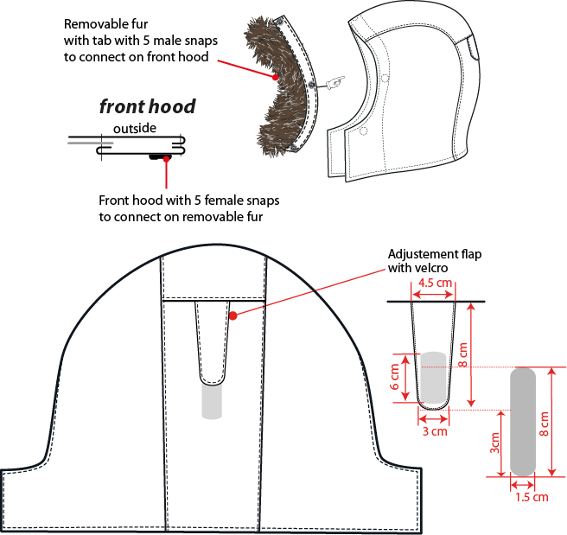
帽簷內貼表布A,釘5組15mm彈簧壓釦上半套,假毛布條上釘5組下半套,可與帽簷釦合。

帽絆壓臨邊單針,車黏扣帶勾面2cm*6cm,帽後中車黏扣帶毛面2cm*10cm。

COLOR SKETCH
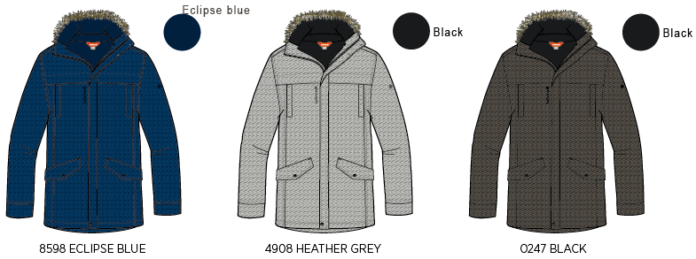
 |  | COLOR SKETCH |  | WINTER 2018/19
LFV11441 |  |  | CONEY WARM PARKA | INDEX | V1
FABRIC / SUPPLIER: |  | 06302 / LIBOLON |  | DEVELOPPER |  | Marjorie
DATE | 2020-01-03 |  |  | SUPPLIER : |  | PRIMA CHANNEL

COLOR COMBINATION
 |  | COLOR COMBINATION |  |  |  |  |  |  |  |  | WINTER 2018/19
LFV11441 |  |  | CONEY WARM PARKA |  |  |  |  |  |  |  | INDEX | V1
FABRIC / SUPPLIER: |  | 06302 / LIBOLON |  |  |  |  |  |  |  |  | DEVELOPPER |  |  | Marjorie
DATE | 2020-01-03 |  |  |  |  |  |  |  |  |  | SUPPLIER : |  |  | PRIMA CHANNEL
FABRIC OUTER JKT |  |  |  |  |  |  | ECLIPSE BLUE 8598 | HEATHER GREY 4809 | BLACK 0247
SHELL 1 06302 5K/5K |  |  |  | LIBOLON | BODY |  | INK/NOIR | HEATHER GREY | ANTHRACITE GREY
SHELL 2 PR20 |  |  |  | LOCAL | LINING BODY |  | INSIGNA BLUE | NOIR | NOIR
LINING SHERPA CA-491 |  |  |  | EVERWEI | LINING HOOD |  | DEEP BLUE | BLACK | BLACK
FAKE FUR REF # F1G0405KLXE049N Nanjing HG-Nice Gain Fabric Co.,Ltd |  |  |  | LOCAL | FRONT HOOD |  | NATUREL | NATUREL | NATUREL
TAFFETAS / NYLON |  |  |  | LOCAL | LINING SLEEVE |  | BLACK | BLACK | BLACK
BRUSH TRICOT REF: AM1378 ASIA FIT |  |  |  | LOCAL | POCKET BAG |  | BLACK | BLACK | BLACK
INSULATION PK QUALITY 60 grs |  |  |  | LOCAL | SLEEVES |  | STANDARD | STANDARD | STANDARD
INSULATION PK QUALITY 120 grs |  |  |  | LOCAL | BODY |  | STANDARD | STANDARD | STANDARD
SEAM TAPE CRITICALE |  |  |  | LOCAL | CRITICAL (HOOD + NECKLINE + SHOULDER) |  | CLEAR | CLEAR | CLEAR
NON WOVEN |  |  |  | LOCAL | FLAPS + EMBROIDERIES BACKSIDE |  | BLACK | BLACK | WHITE
TRIMMING AND ACCESSORIES OUTER JKT
 | DESCRIPTION |  | REF | SUPPLIER | DESIGNATION | QTY | ECLIPSE BLUE 8598 | HEATHER GREY 4809 | BLACK 0247 | 0 | XS | S | M | L | XL | XXL
Zipper VISLON #7 2WAYS - separable- autolock |  |  |  | MAX zipper | Front zip | 1 | ECLIPSE BLUE TAPE : 960 TEETH : DARK NICKEL | GREY TAPE : 301 TEETH : DARK NICKEL | BLACK TAPE : 580 TEETH : DARK NICKEL
Zipper NYLON inverted #3 1WAY - NON separable - non lock - drop puller SN31WDM |  |  |  | MAX zipper | Billfold pocket | 1 | ECLIPSE BLUE 960 | GREY 301 | BLACK 580
cord puller |  |  | ZP072-E | DRAGON TIMES | Front opening (1) | 1 | NOIR | NOIR | NOIR
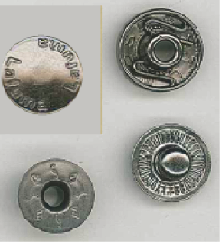 SNAP BUTTON 17mm |  |  | BS053-E Short tube | UNITEX ref# 113-35205-C04426 | 2x top front 1x bottom front 2x cuff (only female 2x bottom pocket flap | 9 | OXYDE BLACK S9998 | OXYDE BLACK S9998 | OXYDE BLACK S9998
SNAP BUTTON INVISIBLE 17mm |  |  |  | LOCAL | 3x front 5x removable hood | 8 | DARK ANTIC | DARK ANTIC | DARK ANTIC
VELCRO FEMALE ( rounded corner) 20x100mm |  |  |  | LOCAL | Back hood adjustment on GARMENT | 1 | TONE ON TONE TO539 | TONE ON TONE TO536 | BLACK
VELCRO MALE ( rounded corner) 20x60mm |  |  |  | LOCAL | Back hood adjustment on FLAP | 1 | TONE ON TONE TO539 | TONE ON TONE TO536 | BLACK
MARKING OUTER JKT
EMBROIDERY LAFUMA 72 mm |  |  |  | LOCAL / MING SHANG | Right front / top | 1 | ECLIPSE BLUE 30055 | GREY 40028 | BLACK 9000
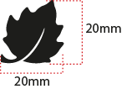 EMBROIDERY LAFUMA FEUILLE 20 mm |  |  |  | LOCAL / MING SHANG | Left sleeve / top | 1 | ECLIPSE BLUE 30055 | GREY 40028 | BLACK 9000
 CLIMACTIVE WOVEN FLY |  |  | LW050-E | TRIPLE STAR | Bottom LEFT back | 1 | STANDARD | STANDARD | STANDARD
MARKING OUTER JKT
MAIN LABEL medium size |  |  | LW034-E | SML | Neckline / centered | 1 | ORANGE
SIZE WOVEN LABEL MMG MEN ALPHA/TOP |  |  | LWS18-01 | SML | Neckline / centered | 1 | STANDARD
Care Label & P.O. Label |  |  | LC011-E | SML | left side seam | 1 | WHITE satin
HANG TAG
 HANGTAG LAFUMA CORPORATE |  |  | SMALL HT-394082-E | TRIPLE STAR | attach on left side pocket | 1 | STANDARD
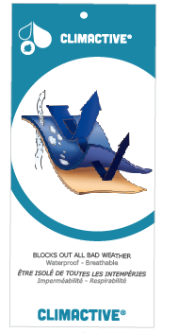 HANG TAG CLIMACTIVE |  |  | SMALL HT394146-E | TRIPLE STAR | insert on corporate HT | 1 | STANDARD
 HANG TAG PFC FREE |  |  | HT394145-E | TRIPLE STAR |  | 1 | STANDARD
 GENCODE STICKER |  |  |  | LOCAL |  | 2 | STANDARD
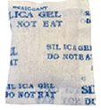 SILICA GEL DMF U FREE 5gr |  |  |  | LOCAL |  | 1
 POLYBAG |  |  |  | LOCAL | for garment packing | 1 | STANDARD
 |  |  |  | LOCAL | Hang tags | 1 | STANDARD

MARKING
 |  |  |  | MARKING |  |  | WINTER 2018/19
LFV11441 |  |  | CONEY WARM PARKA |  |  |  | INDEX | V1
FABRIC / SUPPLIER: |  | 06302 / LIBOLON |  |  |  |  | DEVELOPPER |  | Marjorie
DATE | 2020-01-03 |  |  |  |  |  | SUPPLIER : |  | PRIMA CHANNEL
DESIGNATION |  |  |  |  |  | POSITION
LAFUMA+楓葉繡花7.2cm
穿者右前胸剪接下1.5cm
距外擋風片1.5cm
EMBROIDERY LAFUMA 72 mm |  |  |  |  | RIGHT TOP FRONT * VERTICAL POSITION : 1,5 cm above chest cut * ALONG FRONT: 1 ,5 cm from center flap
楓葉繡花2cm
穿者左袖肩點下8cm
EMBROIDERY LAFUMA FEUILLE 20 mm |  |  |  |  | 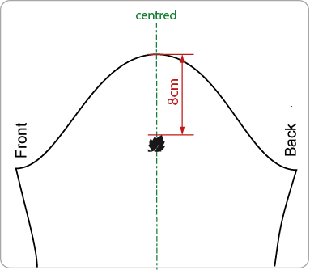 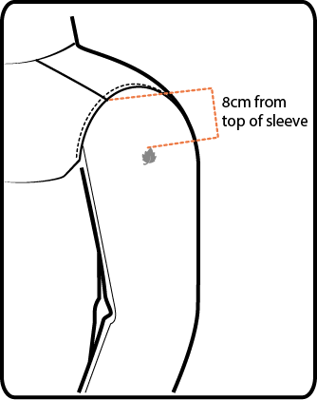 LEFT TOP SLEEVE 8 cm from top sleeve
穿者左後脇邊下襬上12cm。
WOVEN LABEL CLIMACTIVE |  |  |  |  | Insert in left side seam 12cm from bottom finish edge

JACKET SKETCH MEASUREMENTS
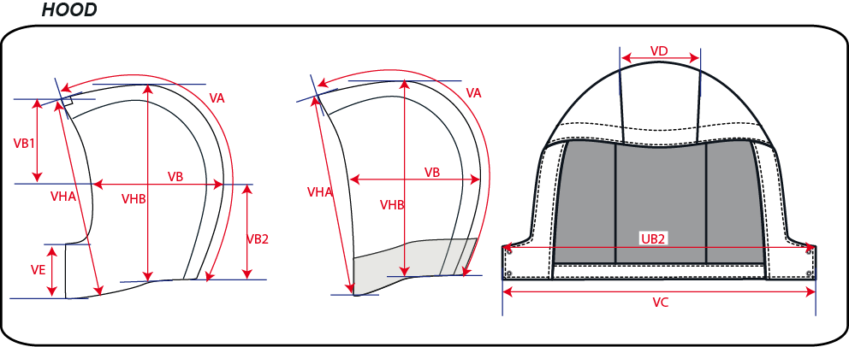
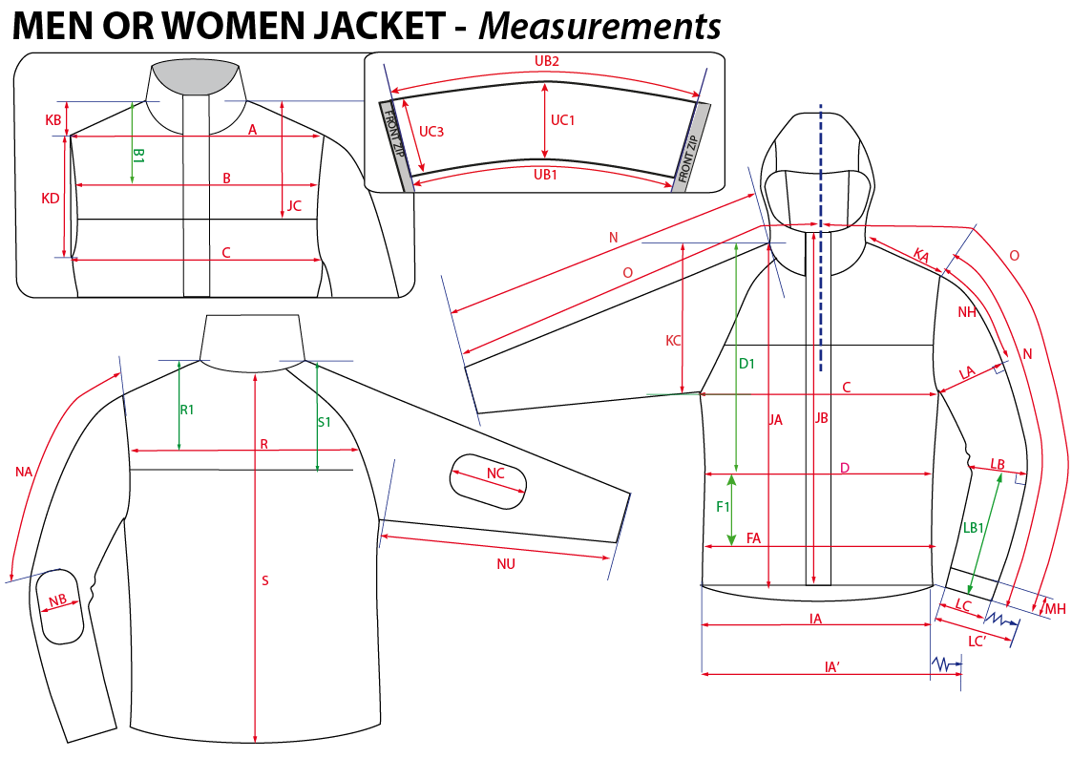
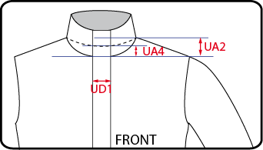
 |  | HOW TO TAKE MEASUREMENTS | WINTER 2018/19
LFV11441 |  | CONEY WARM PARKA |  | INDEX | V1
FABRIC / SUPPLIER: |  | 06302 / LIBOLON | DEVELOPPER |  | Marjorie
DATE | 2020-01-03 |  | SUPPLIER : |  | PRIMA CHANNEL

